Dataset
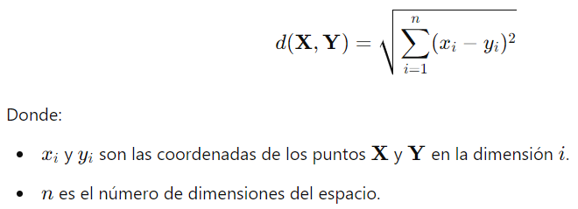
ID Casa | # Dormitorios | Área Terreno (m²) | Área Total (m²) | Costo (USD)
c1 | 2 | 150 | 250 | 60000.00 |  |  | 1. Calcular distancias con euclidea |  | Euclidea
c2 | 3 | 180 | 300 | 75000.00 |  |  | 2. Identificar los K vecinos | k=3
c3 | 4 | 200 | 320 | 90000.00 |  |  | 3. Calcular predicción costo c1 y c2
c4 | 2 | 140 | 240 | 58000.00 |  |  | 4. Calcular RMSE: 9629.2378
c5 | 3 | 170 | 290 | 70000.00
c6 | 3 | 210 | 350 | 80000.00 |  |  | 1. Calcular distancias con Manhattan
c7 | 4 | 230 | 380 | 95000.00 |  |  | 2. Identificar los K vecinos | k=3
 |  |  |  |  |  |  | 3. Calcular predicción costo c1 y c2
Train |  |  | media costo: | 78,600.00 |  |  | 4. Calcular RMSE
Test |  |  | 10% | 7860

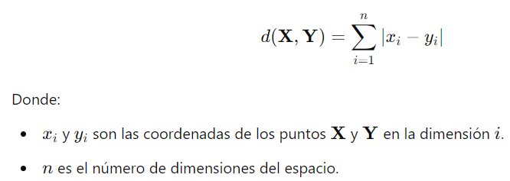
Euclidea |  |  |  |  |  |  |  |  | Manhattan
c1:c3 | 4 | 2500 | 4900 | 86.046499057
c1:c4 | 0 | 100 | 100 | 14.142135624
c1:c5 | 1 | 400 | 1600 | 44.732538493
c1:c6 | 1 | 3600 | 10000 | 116.62332528
c1:c7 | 4 | 6400 | 16900 | 152.6564771

c2:c3 | 1 | 400 | 400 | 28.301943396
c2:c4 | 1 | 1600 | 3600 | 72.117958928
c2:c5 | 0 | 100 | 100 | 14.142135624
c2:c6 | 0 | 900 | 2500 | 58.309518948
c2:c7 | 1 | 2500 | 6400 | 94.345111161

Manhattan
c1:c3 | 2 | 50 | 70 | 122
c1:c4 | 0 | 10 | 10 | 20
c1:c5 | 1 | 20 | 40 | 61
c1:c6 | 1 | 60 | 100 | 161
c1:c7 | 2 | 80 | 130 | 212

c2:c3 | 1 | 20 | 20 | 41
c2:c4 | 1 | 40 | 60 | 101
c2:c5 | 0 | 10 | 10 | 20
c2:c6 | 0 | 30 | 50 | 80
c2:c7 | 1 | 50 | 80 | 131

Prediccion del costo |  |  | Calcular RMSE |  | Elevar al cuadrado | Media de los errores al cuadrado (MSE) | Sacar la raiz cuadrada (RMSE)
c1 | 72666.67 |  | Calcular el error c1 | -12,667 | 160,444,444 | 92722222.222 | 9629.2378838
c2 | 80000 |  | Calcular el error c2 | -5,000 | 25,000,000

